Nifty50
 |  | Stock Name | HDFC Bank Ltd.
 |  | Quantity | 100
 |  | Buying Date | 2023-10-23
 |  | Selling Date | 2023-10-24

 |  | Final Profit / Loss | 0.95704025443
 | Loss

 | Sorry, you've incurred a loss of 0.957040254434105
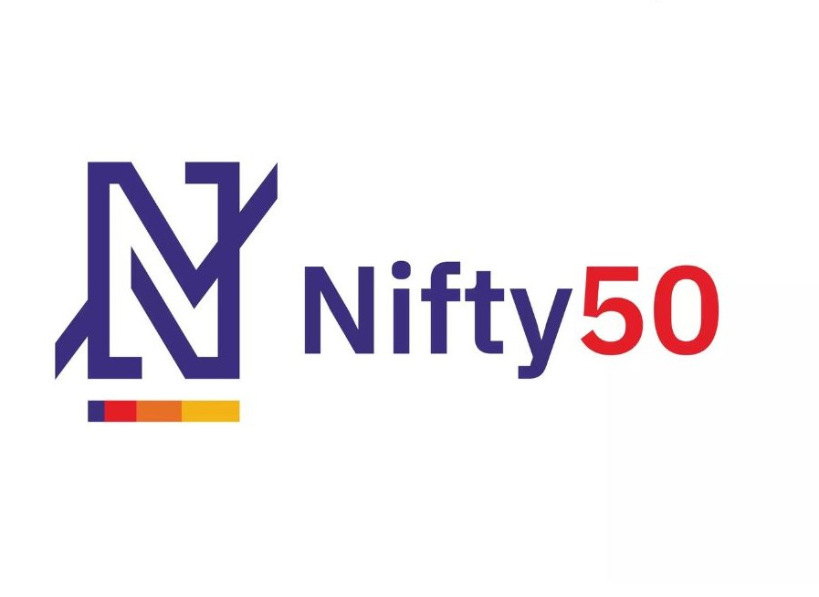

Adani Enterprises Ltd.
Adani Ports and Special Economic Zone Ltd.
Apollo Hospitals Enterprises Ltd.
Asian Paints Ltd.
Axis Bank Ltd.
Bajaj Auto Ltd.
Bajaj Finance Ltd.
Bajaj Finserv Ltd.
Bharat Petroleum Corp. Ltd.
Bharti Airtel Ltd.
Britannia Industries Ltd.
Cipla Ltd.
Coal India Ltd.
Divi's Laboratories Ltd.
Dr. Reddy's Laboratories Ltd.
Eicher Motors Ltd.
Grasim Industries Ltd.
HCL Technologies Ltd.
HDFC Bank Ltd.
HDFC Life Insurance Company Ltd.
Hero MotoCorp Ltd.
Hindalco Industries Ltd.
Hindustan Unilever Ltd.
ICICI Bank Ltd.
IndusInd Bank Ltd.
Infosys Ltd.
ITC Ltd.
JSW Steel Ltd.
Kotak Mahindra Bank Ltd.
Larsen & Toubro Ltd.
LTIMindtree Ltd.
Mahindra & Mahindra Ltd.
Maruti Suzuki India Ltd.
Nestle India Ltd.
NTPC Ltd.
Oil And Natural Gas Corporation Ltd.
Power Grid Corporation of India Ltd.
Reliance Industries Ltd.
SBI Life Insurance Company Ltd.
State Bank Of India
Sun Pharmaceutical Industries Ltd.
Tata Consultancy Services Ltd.
Tata Consumer Products Ltd.
Tata Motors Ltd.
Tata Steel Ltd.
Tech Mahindra Ltd.
Titan Company Ltd.
UltraTech Cement Ltd.
UPL Ltd.
Wipro Ltd.

